Table S15
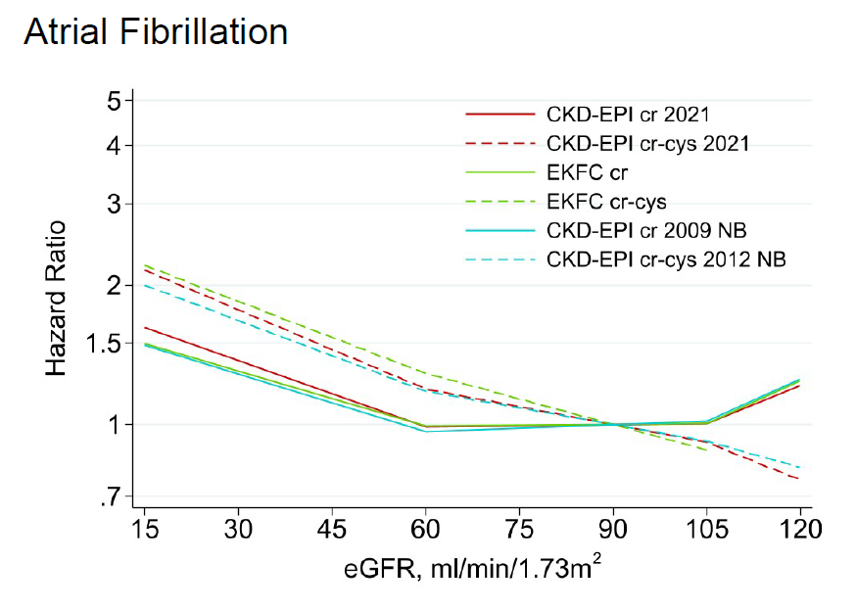
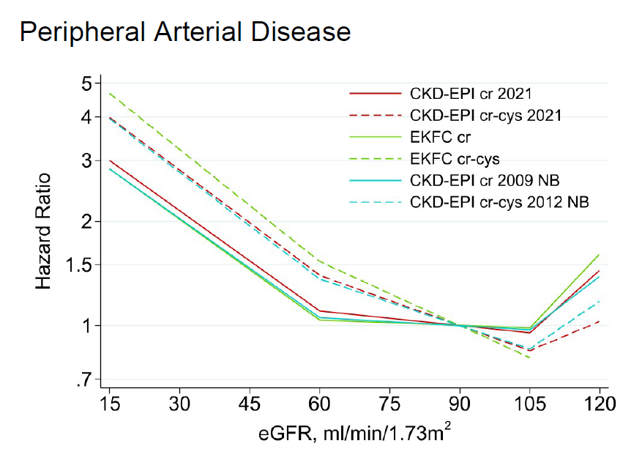
Table S15 | Hazard ratios for adverse outcomes using the continuous model of eGFR and eGFRcr-cys, using different estimating equations in the population with cystatin C: eGFRcr-cys population
eGFR<60 (95% CI) | eGFRcr |  |  | eGFRcr-cys
 | CKD-EPI 2021 | CKD-EPI 2009 NB | EKFC | CKD-EPI 2021 | CKD-EPI 2012 NB | EKFC
ACM | 1.38 (1.33, 1.43) | 1.37 (1.32, 1.43) | 1.37 (1.31, 1.43) | 1.43 (1.38, 1.48) | 1.42 (1.37, 1.47) | 1.46 (1.41, 1.52)
CVM | 1.33 (1.27, 1.38) | 1.33 (1.27, 1.40) | 1.35 (1.28, 1.42) | 1.38 (1.32, 1.45) | 1.39 (1.33, 1.46) | 1.43 (1.37, 1.50)
KFRT | 3.58 (3.04, 4.23) | 3.58 (3.04, 4.21) | 3.75 (3.17, 4.42) | 3.79 (3.14, 4.58) | 3.59 (3.04, 4.23) | 3.82 (3.24, 4.51)
AKI | 1.59 (1.41, 1.80) | 1.59 (1.40, 1.80) | 1.66 (1.46, 1.89) | 1.72 (1.53, 1.94) | 1.61 (1.46, 1.77) | 1.69 (1.51, 1.89)
Hospitalization | 1.24 (1.19, 1.29) | 1.23 (1.19, 1.27) | 1.21 (1.17, 1.25) | 1.22 (1.18, 1.25) | 1.22 (1.18, 1.25) | 1.23 (1.19, 1.28)
CHD | 1.21 (1.11, 1.31) | 1.22 (1.12, 1.32) | 1.24 (1.15, 1.34) | 1.22 (1.16, 1.30) | 1.24 (1.17, 1.31) | 1.27 (1.19, 1.35)
Stroke | 1.15 (1.07, 1.24) | 1.14 (1.06, 1.23) | 1.13 (1.05, 1.22) | 1.15 (1.06, 1.25) | 1.15 (1.06, 1.25) | 1.16 (1.06, 1.27)
HF | 1.32 (1.23, 1.42) | 1.30 (1.21, 1.40) | 1.30 (1.21, 1.40) | 1.37 (1.27, 1.46) | 1.36 (1.29, 1.43) | 1.39 (1.32, 1.47)
AF | 1.18 (1.04, 1.34) | 1.15 (1.02, 1.30) | 1.15 (1.01, 1.30) | 1.22 (1.11, 1.33) | 1.19 (1.09, 1.30) | 1.20 (1.08, 1.32)
PAD | 1.39 (1.19, 1.64) | 1.39 (1.19, 1.62) | 1.40 (1.19, 1.64) | 1.42 (1.26, 1.59) | 1.43 (1.27, 1.61) | 1.45 (1.27, 1.66)
eGFR 60-104 (95% CI)
ACM | 1.00 (0.95, 1.05) | 0.97 (0.91, 1.03) | 0.95 (0.88, 1.01) | 1.16 (1.13, 1.18) | 1.14 (1.11, 1.16) | 1.16 (1.13, 1.20)
CVM | 1.08 (1.02, 1.15) | 1.06 (0.99, 1.13) | 1.04 (0.97, 1.12) | 1.23 (1.17, 1.28) | 1.21 (1.16, 1.27) | 1.28 (1.21, 1.36)
KFRT | 1.65 (1.28, 2.12) | 1.60 (1.27, 2.03) | 1.68 (1.36, 2.08) | 1.67 (1.39, 2.02) | 1.67 (1.37, 2.03) | 2.07 (1.71, 2.50)
AKI | 1.32 (1.29, 1.34) | 1.29 (1.27, 1.32) | 1.33 (1.30, 1.36) | 1.58 (1.52, 1.65) | 1.57 (1.48, 1.66) | 1.80 (1.72, 1.90)
Hospitalization | 1.00 (0.96, 1.05) | 0.99 (0.93, 1.05) | 0.99 (0.94, 1.04) | 1.07 (1.01, 1.13) | 1.06 (1.01, 1.11) | 1.08 (1.01, 1.15)
CHD | 1.07 (1.05, 1.10) | 1.06 (1.03, 1.09) | 1.05 (1.02, 1.09) | 1.17 (1.12, 1.21) | 1.16 (1.11, 1.20) | 1.20 (1.13, 1.28)
Stroke | 1.03 (0.99, 1.07) | 1.02 (0.98, 1.06) | 1.02 (0.97, 1.07) | 1.11 (1.06, 1.17) | 1.10 (1.05, 1.16) | 1.14 (1.06, 1.24)
HF | 1.06 (1.03, 1.09) | 1.04 (1.02, 1.07) | 1.05 (1.03, 1.07) | 1.17 (1.11, 1.24) | 1.17 (1.11, 1.23) | 1.23 (1.15, 1.32)
AF | 0.99 (0.97, 1.02) | 0.98 (0.96, 1.00) | 1.00 (0.95, 1.04) | 1.09 (1.08, 1.11) | 1.09 (1.07, 1.10) | 1.14 (1.06, 1.21)
PAD | 1.05 (0.94, 1.18) | 1.03 (0.90, 1.17) | 1.02 (0.85, 1.22) | 1.18 (1.11, 1.26) | 1.17 (1.07, 1.27) | 1.24 (1.06, 1.45)
eGFR 105+ (95% CI)
ACM | 0.51 (0.40, 0.65) | 0.55 (0.42, 0.72) | 0.47 (0.35, 0.64) | 0.82 (0.74, 0.91) | 0.80 (0.69, 0.92) | 0.51 (0.35, 0.75)
CVM | 0.57 (0.40, 0.80) | 0.62 (0.43, 0.88) | 0.60 (0.41, 0.87) | 0.77 (0.70, 0.85) | 0.74 (0.64, 0.86) | 0.56 (0.33, 0.95)
KFRT | 1.48 (0.63, 3.51) | 1.39 (0.66, 2.91) | 1.47 (0.52, 4.14) | 1.79 (0.87, 3.66) | 1.96 (0.92, 4.17) | 7.54 (1.42, 40.00)
AKI | 0.64 (0.45, 0.90) | 0.63 (0.43, 0.92) | 0.51 (0.39, 0.67) | 1.09 (0.81, 1.48) | 1.03 (0.69, 1.55) | 0.48 (0.12, 1.83)
Hospitalization | 0.73 (0.52, 1.02) | 0.75 (0.57, 0.99) | 0.66 (0.41, 1.06) | 0.90 (0.78, 1.05) | 0.88 (0.74, 1.04) | 0.59 (0.33, 1.04)
CHD | 0.97 (0.64, 1.46) | 1.02 (0.66, 1.57) | 1.30 (0.59, 2.88) | 1.10 (0.98, 1.23) | 1.10 (0.98, 1.25) | 1.51 (0.51, 4.50)
Stroke | 0.88 (0.64, 1.20) | 0.87 (0.62, 1.23) | 0.87 (0.50, 1.52) | 0.99 (0.90, 1.10) | 0.97 (0.84, 1.13) | 0.93 (0.61, 1.42)
HF | 0.65 (0.48, 0.89) | 0.66 (0.48, 0.90) | 0.60 (0.43, 0.85) | 0.93 (0.84, 1.03) | 0.90 (0.77, 1.05) | 0.66 (0.29, 1.52)
AF | 0.83 (0.53, 1.31) | 0.81 (0.55, 1.20) | 0.81 (0.46, 1.43) | 1.21 (0.90, 1.62) | 1.14 (0.79, 1.64) | 1.44 (0.57, 3.63)
PAD | 0.66 (0.29, 1.51) | 0.70 (0.30, 1.65) | 0.61 (0.22, 1.71) | 0.82 (0.57, 1.19) | 0.73 (0.44, 1.20) | 1.46 (0.27, 8.01)

*all hazard ratios are per 15 ml/min/1.73 m2 lower GFR

